Gruppspel
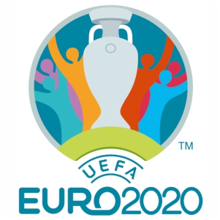

 | Euro 2020 - Tipset

 | Group A

11 June 21.00 | Italy | Vs | Turkey | - | Group A | Sm | V | O | F | Gm | Im | Ms | P
12 June 15.00 | Wales | Vs | Switzerland | - | Italy | 0 | 0 | 0 | 0 | 0 | 0 | 0 | 0
16 June 18.00 | Turkey | Vs | Wales | - | Switzerland | 0 | 0 | 0 | 0 | 0 | 0 | 0 | 0
16 June 21.00 | Italy | Vs | Switzerland | - | Turkey | 0 | 0 | 0 | 0 | 0 | 0 | 0 | 0
20 June 18.00 | Italy | Vs | Wales | - | Wales | 0 | 0 | 0 | 0 | 0 | 0 | 0 | 0
20 June 18.00 | Switzerland | Vs | Turkey | -

 | Group B

12 June 18.00 | Denmark | Vs | Finland | - | Group B | Sm | V | O | F | Gm | Im | Ms | P
12 June 21.00 | Belgium | Vs | Russia | - | Belgium | 0 | 0 | 0 | 0 | 0 | 0 | 0 | 0
16 June 15.00 | Finland | Vs | Russia | - | Denmark | 0 | 0 | 0 | 0 | 0 | 0 | 0 | 0
17 June 18.00 | Denmark | Vs | Belgium | - | Finland | 0 | 0 | 0 | 0 | 0 | 0 | 0 | 0
21 June 21.00 | Finland | Vs | Belgium | - | Russia | 0 | 0 | 0 | 0 | 0 | 0 | 0 | 0
21 June 21.00 | Russia | Vs | Denmark | -

 | Group C

13 June 18.00 | Austria | Vs | North Macedonia | - | Group C | Sm | V | O | F | Gm | Im | Ms | P
13 June 21.00 | Netherlands | Vs | Ukraine | - | Austria | 0 | 0 | 0 | 0 | 0 | 0 | 0 | 0
17 June 15.00 | Ukraine | Vs | North Macedonia | - | Netherlands | 0 | 0 | 0 | 0 | 0 | 0 | 0 | 0
17 June 21.00 | Netherlands | Vs | Austria | - | North Macedonia | 0 | 0 | 0 | 0 | 0 | 0 | 0 | 0
21 June 18.00 | Ukraine | Vs | Austria | - | Ukraine | 0 | 0 | 0 | 0 | 0 | 0 | 0 | 0
21 June 18.00 | North Macedonia | Vs | Netherlands | -

 | Group D

13 June 15.00 | England | Vs | Croatia | - | Group D | Sm | V | O | F | Gm | Im | Ms | P
14 June 15.00 | Scotland | Vs | Czech Republic | - | Croatia | 0 | 0 | 0 | 0 | 0 | 0 | 0 | 0
18 June 18.00 | Croatia | Vs | Czech Republic | - | Czech Republic | 0 | 0 | 0 | 0 | 0 | 0 | 0 | 0
18 June 21.00 | England | Vs | Scotland | - | England | 0 | 0 | 0 | 0 | 0 | 0 | 0 | 0
22 June 21.00 | Czech Republic | Vs | England | - | Scotland | 0 | 0 | 0 | 0 | 0 | 0 | 0 | 0
22 June 21.00 | Croatia | Vs | Scotland | -

 | Group E

14 June 18.00 | Poland | Vs | Slovakia | - | Group E | Sm | V | O | F | Gm | Im | Ms | P
14 June 21.00 | Spain | Vs | Sweden | - | Poland | 0 | 0 | 0 | 0 | 0 | 0 | 0 | 0
19 June 21.00 | Poland | Vs | Spain | - | Slovakia | 0 | 0 | 0 | 0 | 0 | 0 | 0 | 0
18 June 15.00 | Sweden | Vs | Slovakia | - | Spain | 0 | 0 | 0 | 0 | 0 | 0 | 0 | 0
23 June 18.00 | Slovakia | Vs | Spain | - | Sweden | 0 | 0 | 0 | 0 | 0 | 0 | 0 | 0
23 June 18.00 | Sweden | Vs | Poland | -

 | Group F

15 June 21.00 | France | Vs | Germany | - | Group F | Sm | V | O | F | Gm | Im | Ms | P
15 June 18.00 | Hungary | Vs | Portugal | - | France | 0 | 0 | 0 | 0 | 0 | 0 | 0 | 0
19 June 15.00 | France | Vs | Hungary | - | Germany | 0 | 0 | 0 | 0 | 0 | 0 | 0 | 0
19 June 18.00 | Portugal | Vs | Germany | - | Hungary | 0 | 0 | 0 | 0 | 0 | 0 | 0 | 0
23 June 21.00 | Germany | Vs | Hungary | - | Portugal | 0 | 0 | 0 | 0 | 0 | 0 | 0 | 0
23 June 21.00 | Portugal | Vs | France | -

Slutspel
 | Round of 16
 | 27 June 21.00
B1 | Belgium | Quarter-finals
A3/D3/E3/F3 | Hungary | 2 July 21.00

 | 26 June 21.00
A1 | Italy |  | Semi-finals | Final
C2 | Netherlands |  | 6 July 21.00 | 11 July 21.00

 | 28 June 21.00
F1 | France
A3/B3/C3 | Finland | 2 July 18.00

 | 28 June 18.00
D2 | Czech Republic |  |  | Champions
E2 | Slovakia

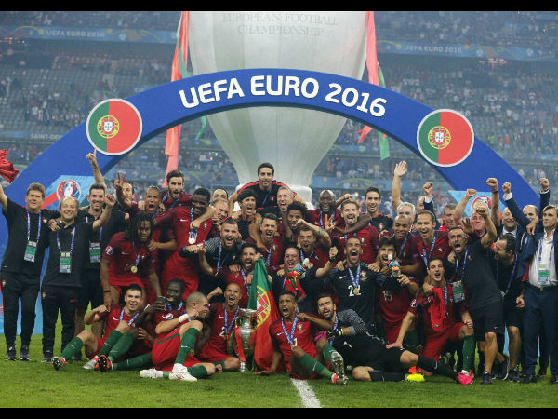
 | 29 June 21.00
E1 | Poland
A3/B3/C3/D3 | North Macedonia | 3 July 21.00

 | 29 June 18.00
D1 | Croatia
F2 | Germany |  | 7 July 21.00

 | 27 June 18.00
C1 | Austria
D3/E3/F3 | England | 3 July 18.00

 | 26 June 18.00
A2 | Switzerland
B2 | Denmark

 |  | Top Goal Scorer | Number of Goals

