H Lundberg
H. LINDAHL
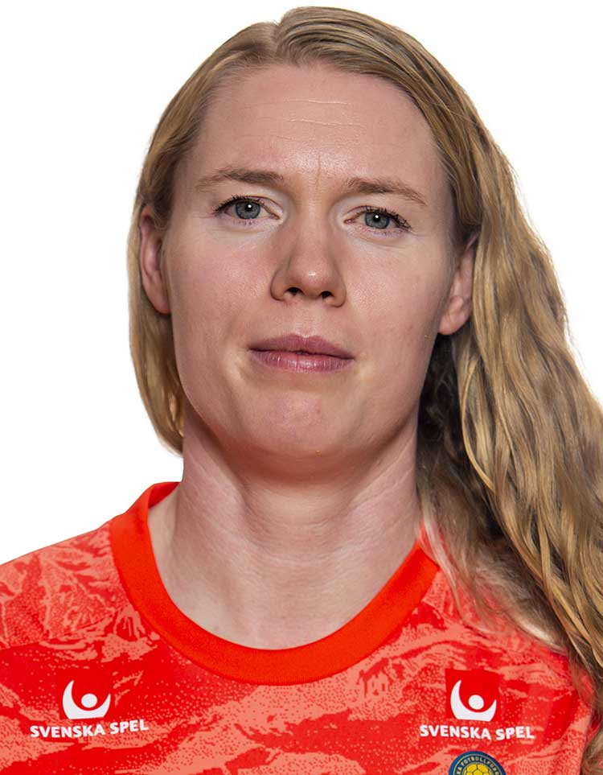

 | Hedvig Lindahl

 | Lagledare | Junior/Senior

 | P03 | Mohamud Nur
 | P04 | Merhawi Kibrom
 | P05 | Ture von Schedvin
 | F06/07 | Emilia Lobo Larsson
 | P07 | Bleart Rexhepi
 | P08 | Loke Hedlund
 | P09 | Milo Ahlberger
 | F10/11 | Nelly Gadh
 | P10/11 | Ensar Demiri

S Jacobsson
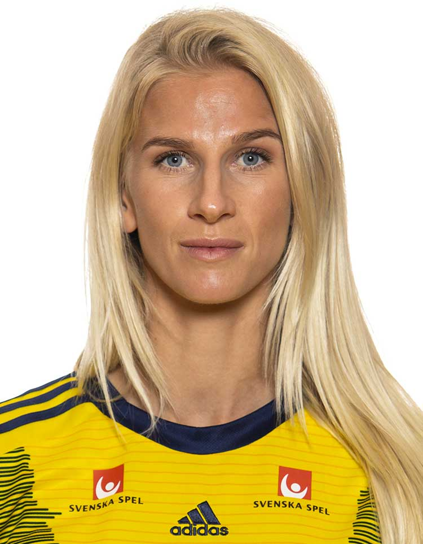
S. JACOBSSON

 | Sofia Jacobsson

 | Lagledare | Junior/Senior

 | P03 | Samuel Luukkonen
 | P04 | Noel Johansson
 | P05 | Tim Andersson
 | F06/07 | Wilma Suu
 | P07 | Belmin Hasic
 | P08 | Måns All
 | P09 | Oliver Almlöf
 | F10/11 | Noelle Lindmark
 | P10/11 | Filip Forghani

C Seger
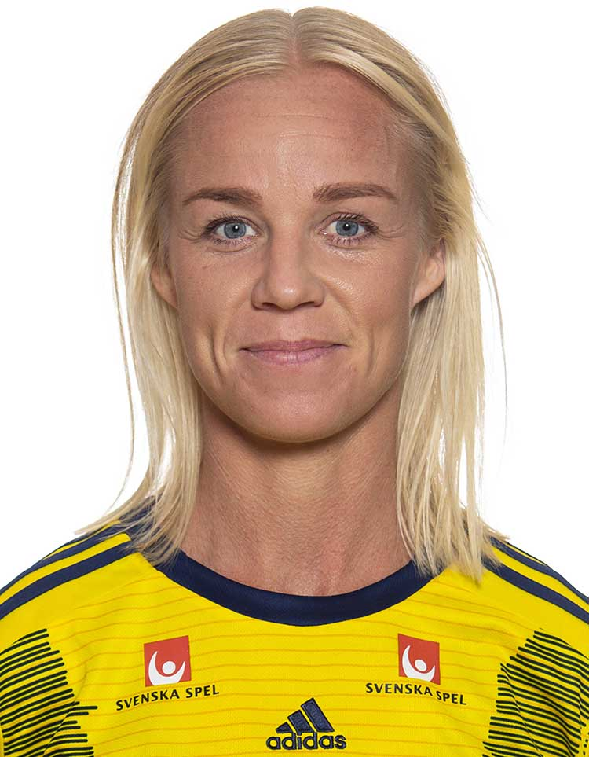
C. SEGER

 | Caroline Seger

 | Lagledare | Junior/Senior

 | P03 | Adis Sahman
 | P04 | Sixten Skoglund
 | P05 | Milton Sandberg
 | F06/07 | Gazal Assaf
 | P07 | Alvin Selimi
 | P08 | Måns Käll
 | F10/11 | Saga Hansson
 | P10/11 | Gustav Prütz
 | P10/11 | Ervin Jasari

S Blackstenuis
S. Blackstenius
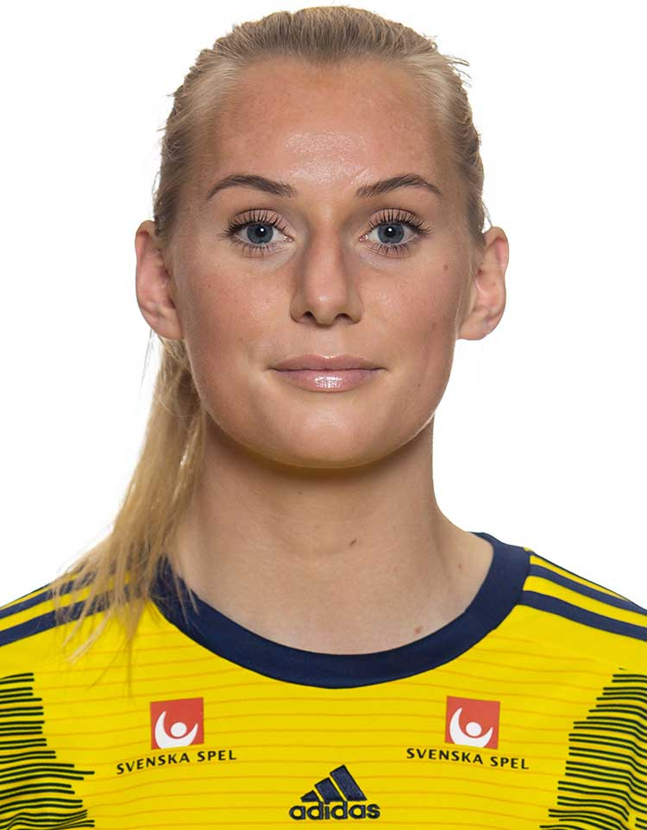

 | Stina Blackstenius

 | Lagledare | Junior/Senior

 | P03 | Carl Mauritzson
 | P04 | Hosam Ali
 | P05 | Theo Eliasson
 | F06/07 | Linnéa Blank
 | P07 | Alexander Timbus
 | P09 | Teo Säterborn
 | P08 | Rayan Ahmeden
 | P10/11 | Leo Felten
 | P12 | Blendi Shyti

K Asllani
K. ASLLANI
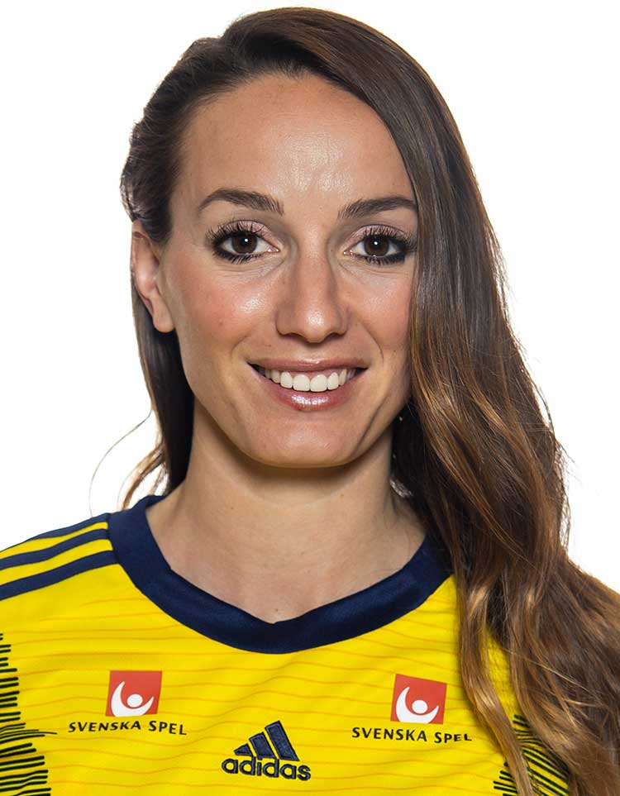

 | Kosovare Asllani

 | Lagledare | Junior/Senior

 | P03 | David Lundin
 | F04/05 | Maja Mossberg
 | P05 | Vincent Eriksson
 | P06 | Erik Johansson
 | P07 | Anton Henriksson
 | P09 | Benjamin Junuzovski
 | P08 | Razmus Bergling
 | F10/11 | Astrid Johansson
 | P10 | Leonard Shala

M Berg
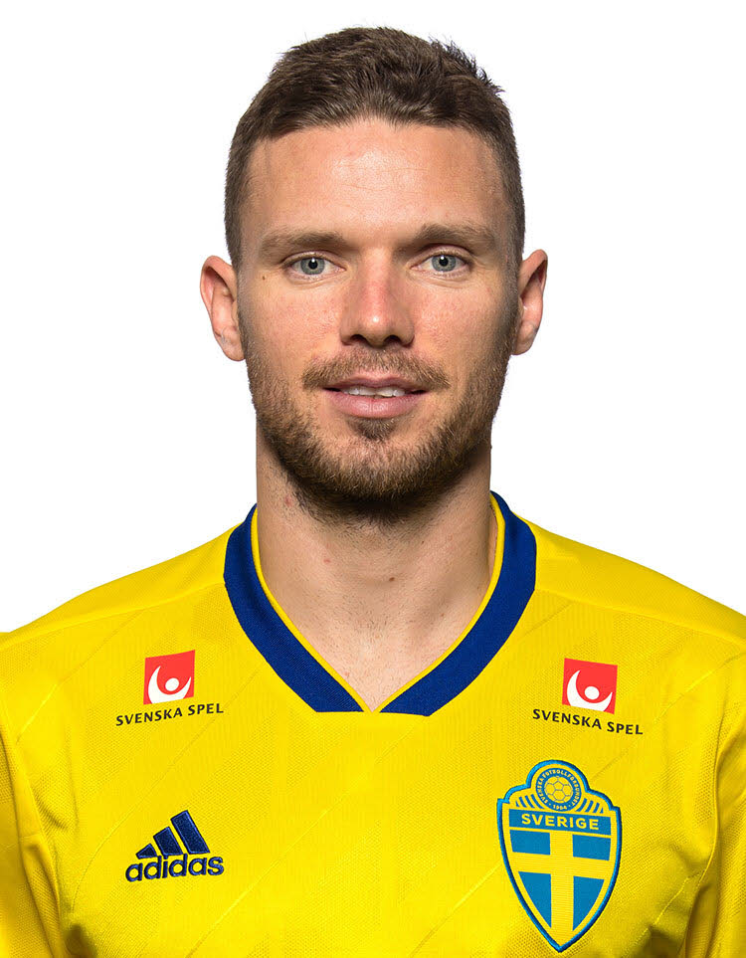
M. BERG

 | Marcus Berg

 | Lagledare | Junior/Senior

 | P03 | Dennis Bergenblad
 | F04/05 | Jennifer Gustafsson
 | P05 | Alexander Meyer
 | P06 | Filip Andersson
 | P07 | Rejhan Halilovic
 | P09 | Wilmer Ehrencrona
 | P08 | Samuel Myllynen
 | F10/11 | Lova Liljerup Leifstedt
 | P10 | Liam Norling
 | P12 | Adi Bajrektarevic

R Olsen
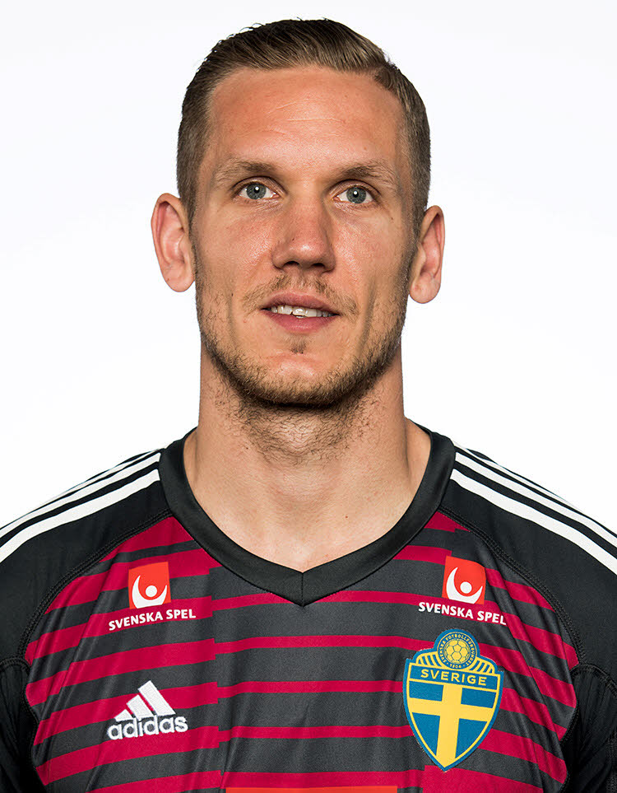
R. OLSEN

 | Robin Olsen

 | Lagledare | Junior/Senior

 | P04 | Isac Martinez
 | F04/05 | Viola Bergenblad
 | P05 | Hari Bajrektarevic
 | P06 | Folke von Schedvin
 | P07 | Filip Bogunovic
 | P09 | Nicolas Saint-Jean Holmquist
 | P08 | Simon Gunnarsson
 | P10/11 | Ludwig Elvemo
 | P12 | Leart Demiri

A Granqvist
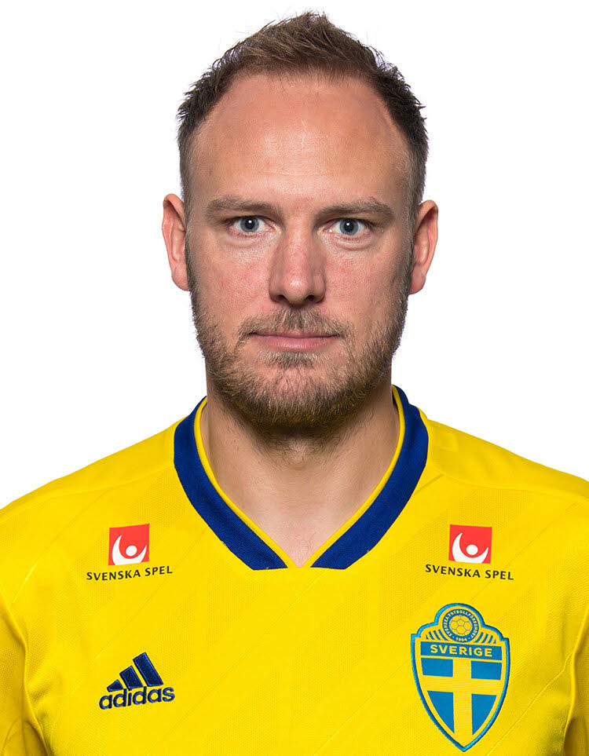
A. GRANQVIST

 | Andreas Granqvist

 | Lagledare | Junior/Senior

 | P03 | Ebrima Billal Saidykhan
 | F04/05 | Emma Andersson
 | P05 | Alvin Öhman
 | P06 | Gabriel Ekstrand
 | P07 | Melvin Fridén
 | P08 | Nathanael Kamperin
 | P09 | Sebastian Nordell
 | F10/11 | Thilde Andersson
 | P10/11 | Ludwig Vittaniemi
 | P12 | John Salminen

F Rolfö
F. ROLFÖ
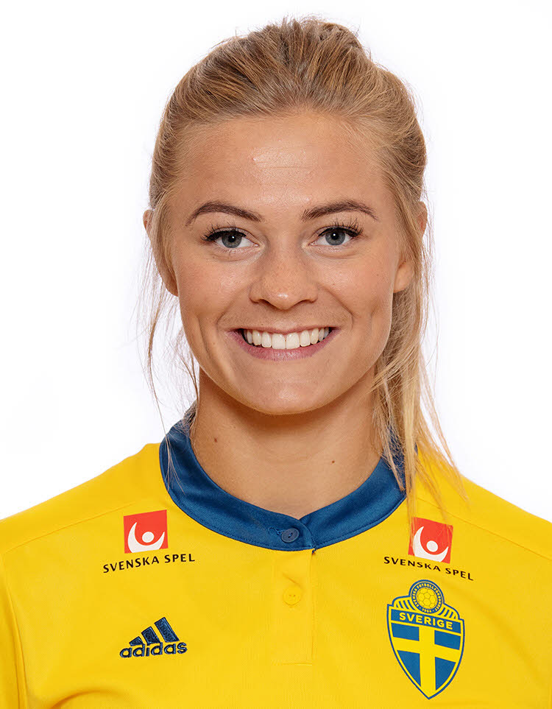

 | Fridolina Rolfö

 | Lagledare | Junior/Senior

 | P03 | William Basile Tianou
 | F04/05 | Ebba Lager
 | P05 | Theus Skoglund
 | P06 | Isak Snygg
 | P08 | Rizah Jasari
 | P09 | Ali Akaby
 | F10/11 | Cecilia Björk
 | P10/11 | Melvin Wilhelmsson
 | P12 | Hamilton Paulsson

L Hurtig
L. HURTIG
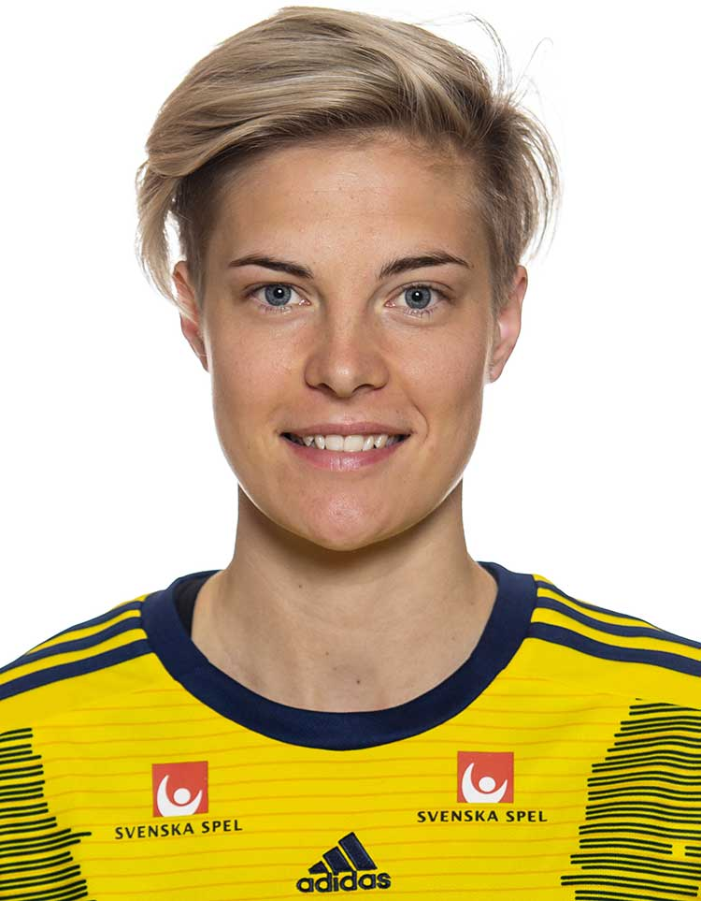

 | Lina Hurtig

 | Lagledare | Junior/Senior

 | P03 | Elias Helgesson
 | F04/05 | Nellie Flyckt
 | P05 | Karl Ydreskog
 | P06 | Kasper Berndtsson
 | P07 | Daniel Misic
 | P08 | Sigge Berndtsson
 | P09 | Edward Thanell
 | F10/11 | Nicole Thanell
 | P10/11 | Oliver Galic
 | P12 | Viggo Ekdahl

M Janogy
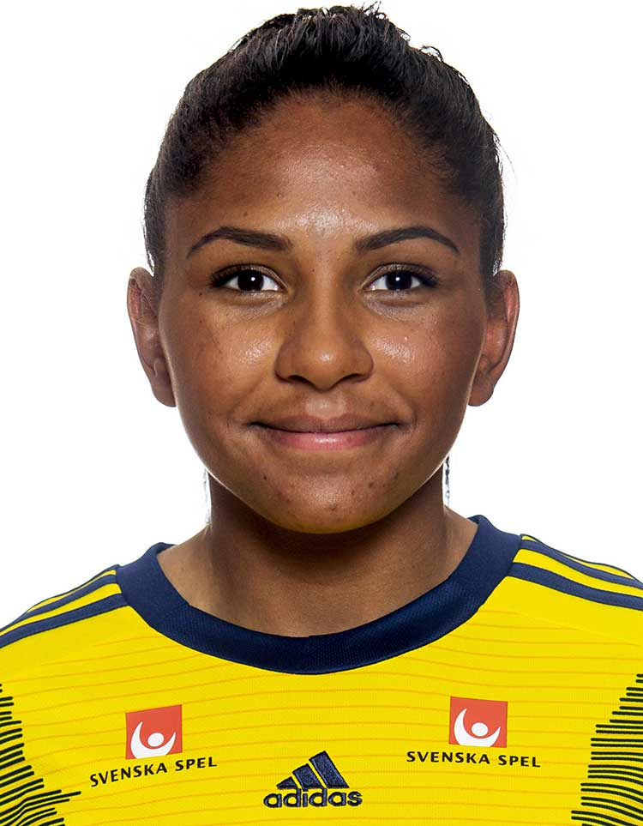
M. JANOGY

 | Madelen Janogy

 | Lagledare | Junior/Senior

 | P03 | Gustav Åstrand
 | F04/05 | Ida Andersson
 | P05 | Andy Guerrero
 | P06 | Leon Elzer
 | P07 | Max Björklund
 | P09 | Lukas Idehall
 | P10/11 | Elias Hagman
 | P12 | Tage Egelind
 | P12 | Felix Sjöström

N Fischer
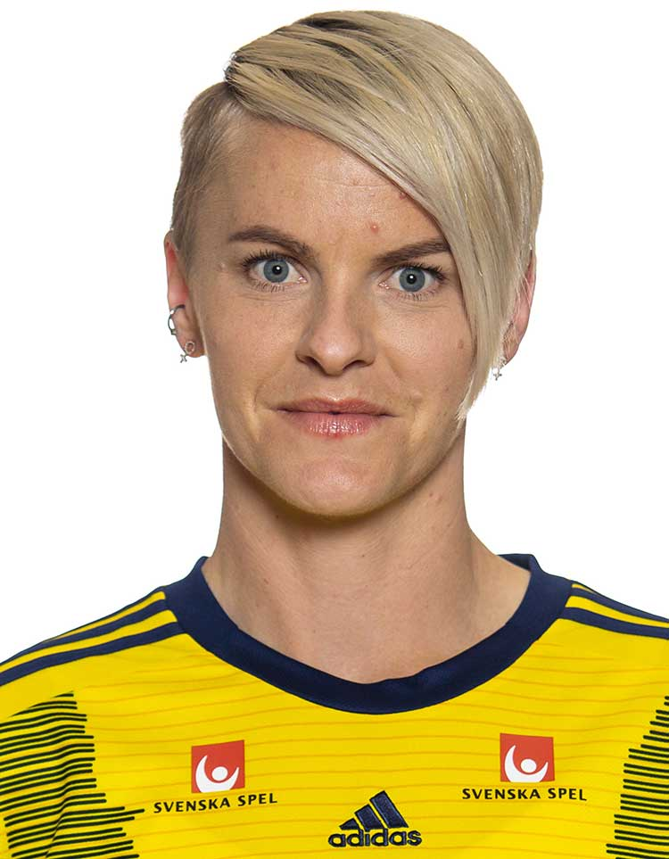
N. FISCHER

 | Nilla Fischer

 | Lagledare | Junior/Senior

 | P03 | Emil Andersson
 | F04/05 | Ashley Lopez
 | P05 | Anton Johansson
 | P06 | Linor Halilaj
 | P09 | Leopold Idehall
 | F10/11 | Livia Morales
 | P10/11 | Olle Olavi
 | P10/11 | Frans Lager
 | P12 | Elias Ingemarsson

H Glas
H. GLAS
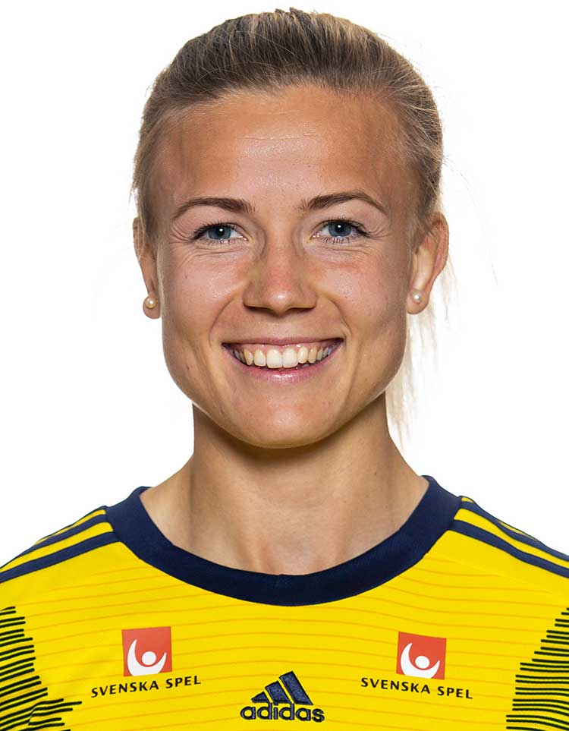

 | Hannah Glas

 | Lagledare | Junior/Senior

 | P04 | Isak Ingemarsson
 | F04/05 | Olivia Arvidsson
 | P05 | Edvin Olofsson-Wank
 | P06 | Philip Jonasson
 | P09 | Philip Stenholm
 | F10/11 | Annie Balint
 | P10/11 | Patrik Gruber
 | P10/11 | Alexander Balint
 | P12 | Anton Lund

J Larsson
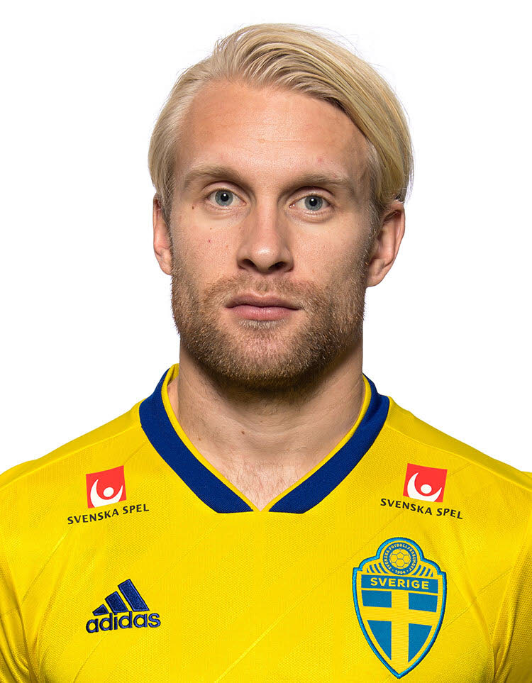
J. LARSSON

 | Johan Larsson

 | Lagledare | Junior/Senior

 | P04 | Samuel Blomqvist
 | F04/05 | Emma Arnell
 | P06 | Albert Leka
 | P06 | Richard Azzam
 | P08 | Adrian Peci
 | P09 | Hugo Liden
 | P10/11 | Wille All
 | P10/11 | Rony Aljojo
 | P12 | Eliah Kamperin

N Björn
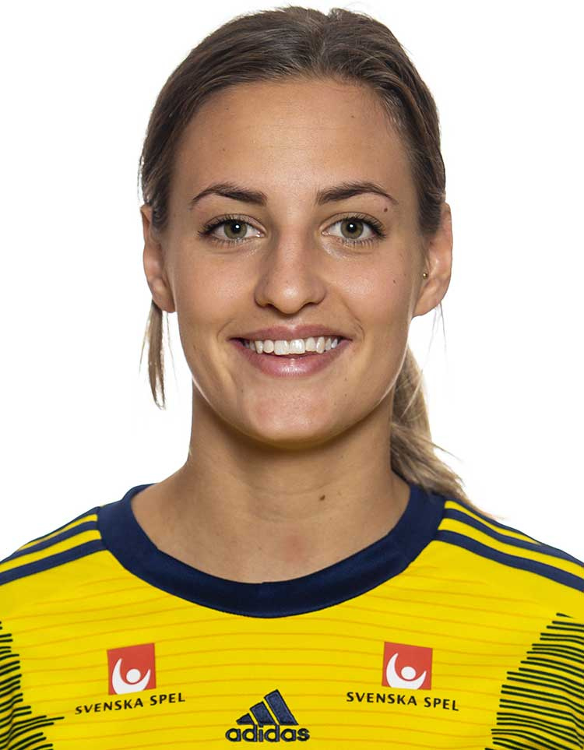
N. BJÖRN

 | Nathalie Björn

 | Lagledare | Junior/Senior

 | P04 | Noel B Gustafson
 | F04/05 | Emma Johansson
 | P06 | Olle Gustafsson
 | P06 | Simon Ahlgren
 | F08/09 | Emilia Karlsson
 | P08 | Alfons Liljerup Leifstedt
 | F10/11 | Willa Goharian
 | P10/11 | Alfred Walting
 | P12 | Filip Sandberg

A Isak
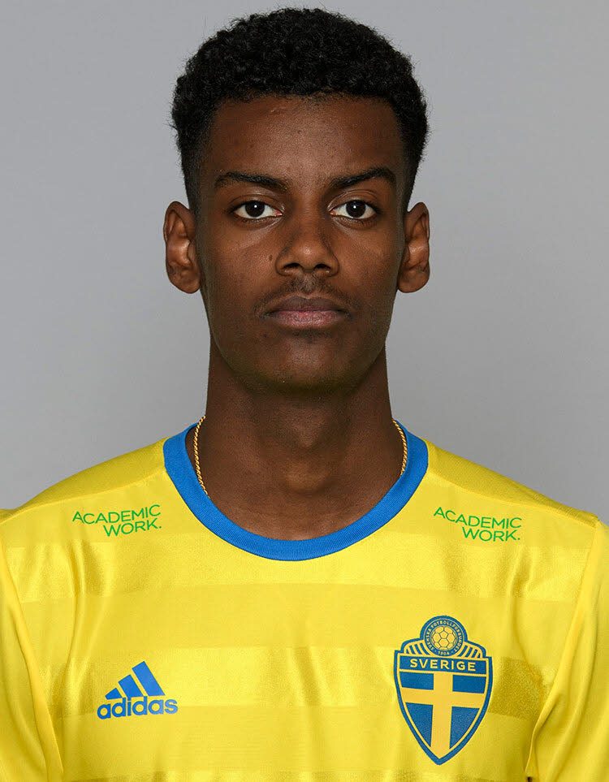
A. ISAK

 | Alexander Isak

 | Lagledare | Junior/Senior

 | P04 | Oliver Hansson
 | F04/05 | Ella Karlsson
 | P06 | David Sjödahl
 | F08/09 | Felicia Aidoo
 | P08 | Carl Olavi
 | P09 | Daniel Arvidsson
 | F10/11 | Olivia Rinvall
 | P10/11 | Danilo Pantic
 | P12 | Hugo Bredin
 | P12 | Felix Sjöström

V Lindelöf
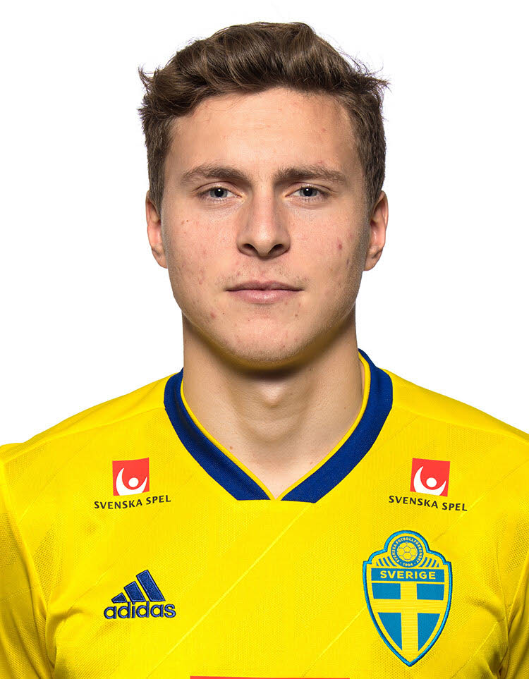
V. LINDELÖF

 | Victor Lindelöf

 | Lagledare | Junior/Senior

 | P04 | Alfons Meyer
 | F04/05 | Tilda Andersson
 | P06 | Carl Cleason
 | F08/09 | Ester Skoglund
 | P08 | Alfred Thorén
 | P09 | Axel Lund
 | F10/11 | Alice Manskog
 | P10/11 | Colin Svensson
 | P10/11 | Arben Rexhepi
 | P12 | Malte Allansson

E Forsberg
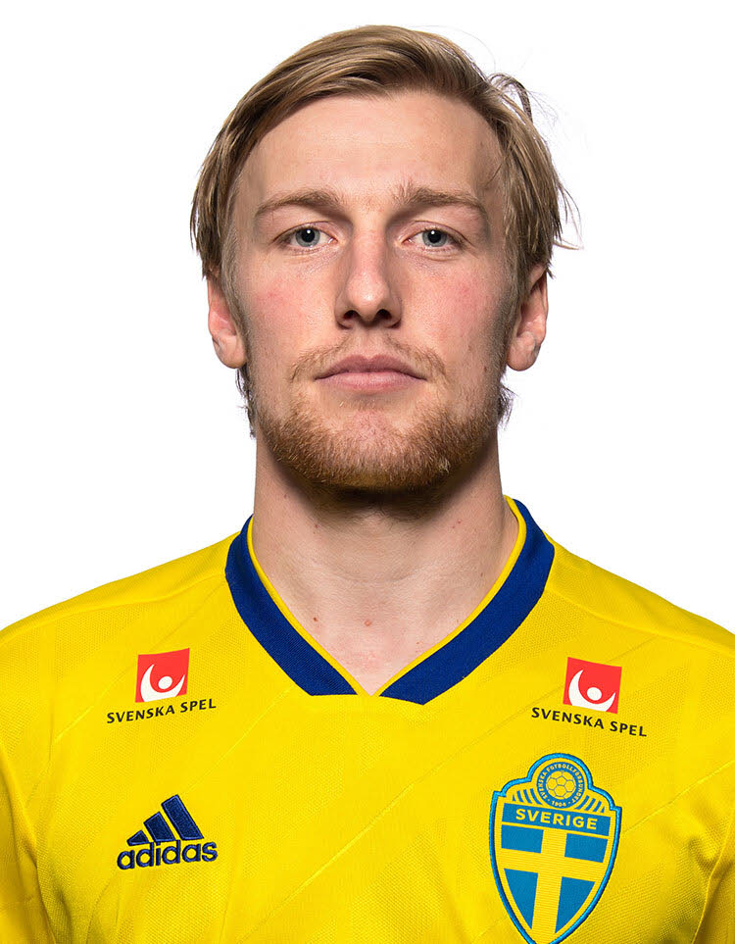
E. FORSBERG

 | Emil Forsberg

 | Lagledare | Junior/Senior

 | P04 | Leon Eriksson - Hemberg
 | F04/05 | Rinesa Lajq
 | P06 | Elion Demiri
 | P07 | Dario Bajevski
 | P08 | Casper Johansson
 | P09 | David Kamkian
 | F10/11 | Svea Chodor
 | P10/11 | Nehemie Kamkian
 | P10/11 | Dino Bajrektarevic
 | P12 | Ludvig Norling

S Larsson
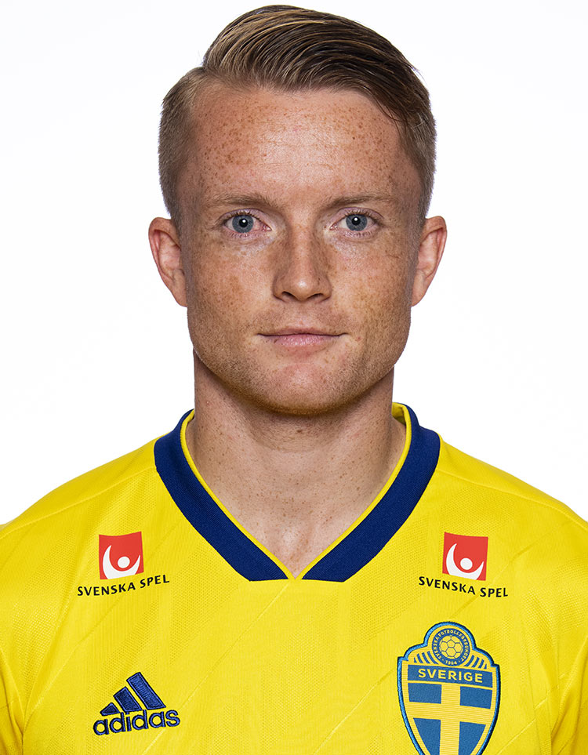
S. LARSSON

 | Sam Larsson

 | Lagledare | Junior/Senior

 | P04 | Oscar Gunnarsson
 | F04/05 | Elin Wallman
 | P06 | Emin Ramovic
 | P06 | Wilgot Elvemo
 | P08 | Edonis Abazi
 | P09 | Eddie Bergenblad
 | F10/11 | Embla Abrahamsson
 | P10/11 | Alexande Ask
 | P10/11 | Douglas Rylander
 | P12 | Simon Denerin

R Quaison
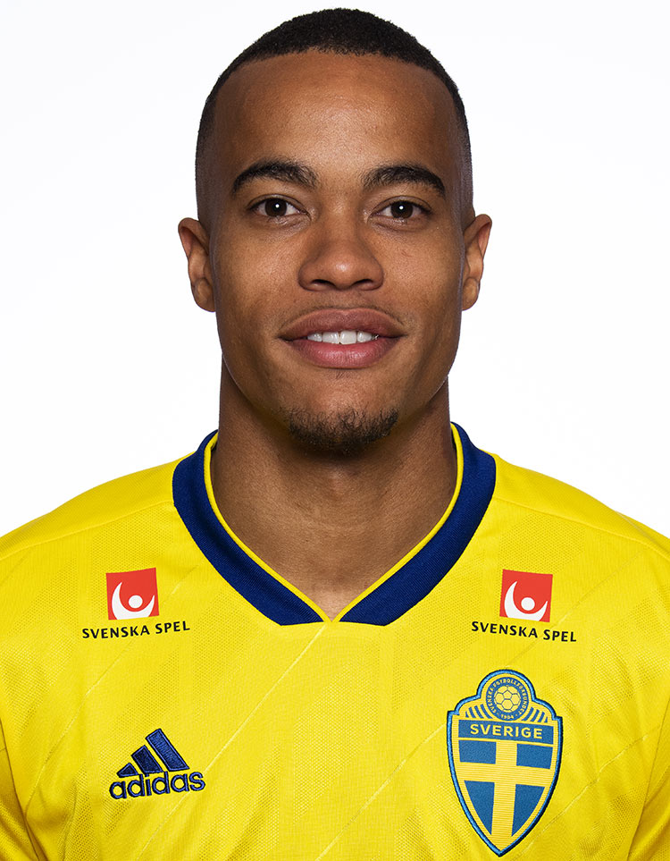
R. QUAISON

 | Robin Quaison

 | Lagledare | Junior/Senior

 | P04 | Calle Marmander
 | P05 | Leo Aspenskog
 | F06/07 | Lina Averin
 | P07 | Colin Vittaniemi
 | F08/09 | Selma Svensson
 | P08 | Emil Särnbäck
 | P09 | Filip Dukoski
 | P10/12 | Joel Borgvall
 | P12 | Emil Maisto

S Thern
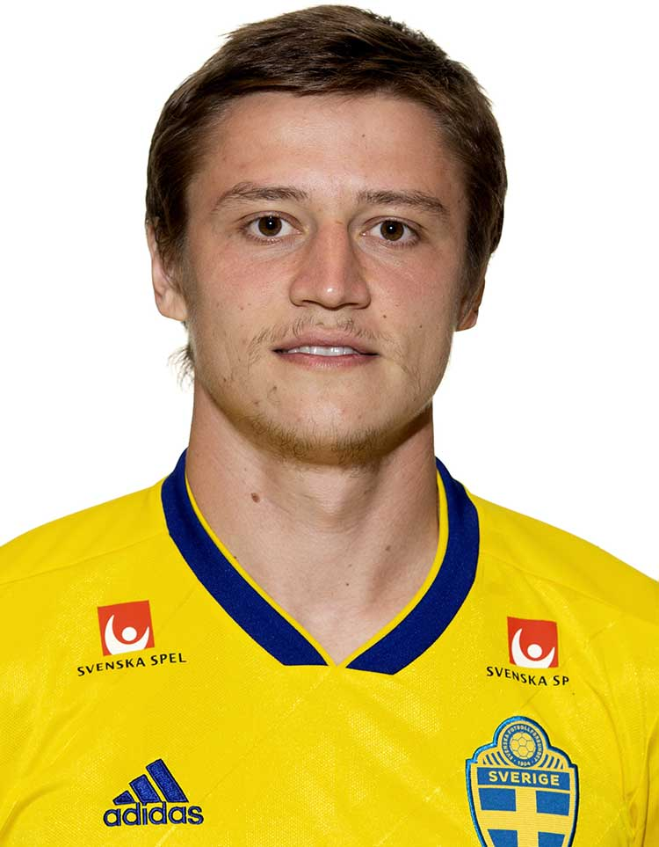
S. THERN

 | Simon Thern

 | Lagledare | Junior/Senior

 | P04 | Anton Johansson
 | P05 | Anton Händén
 | F06/07 | Ebba Lepp
 | P07 | Anton Gadh
 | F08/09 | Lova Emanuelson
 | P08 | Hampus Rylander
 | P09 | Anton Jansson
 | P10/11 | Leo Sörman
 | P10/11 | Oliver Muir
 | P12 | John-Lee Orton

K Sema
K. SEMA
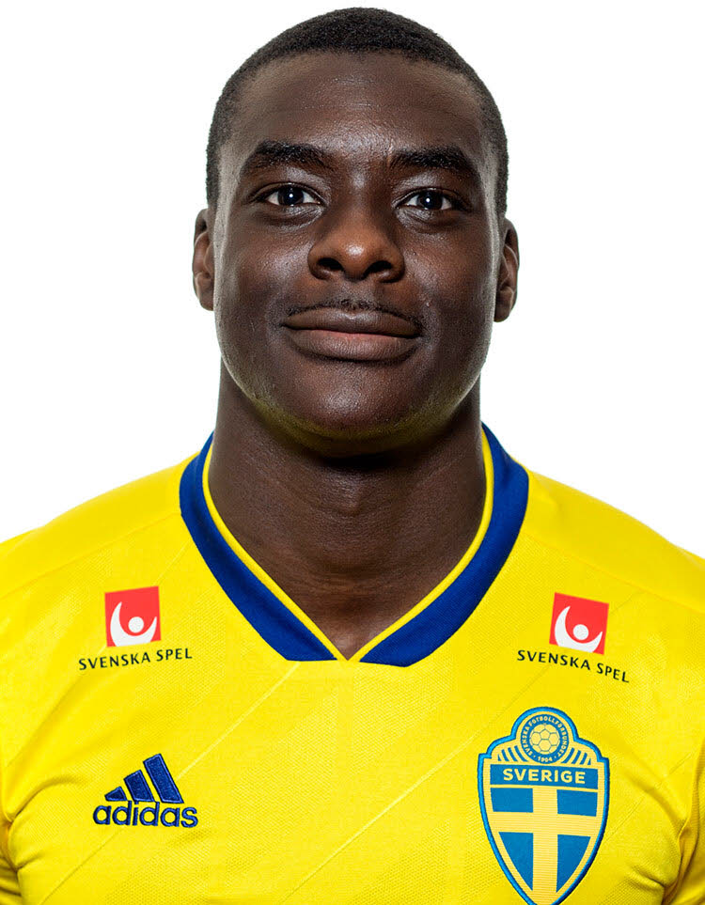

 | Ken Sema

 | Lagledare | Junior/Senior

 | P04 | Elliot Bovin
 | P05 | Lucas Herfors
 | F06/07 | Linnéa Quicklund
 | P06 | Filip Larsson
 | P07 | Alvin Hansson
 | F08/09 | Meja Adams
 | P08 | Leonit Halilaj
 | P09 | Melker Flansbjer
 | P10 | Luca Andrei Nedelcu
 | P12 | Evert Ekdahl

