Budget 2026-2027
Budget 2026-2027 | Budget hockeyskolan Skara IK År 2026/27

Utgifter | Antal | Pris | Totalt

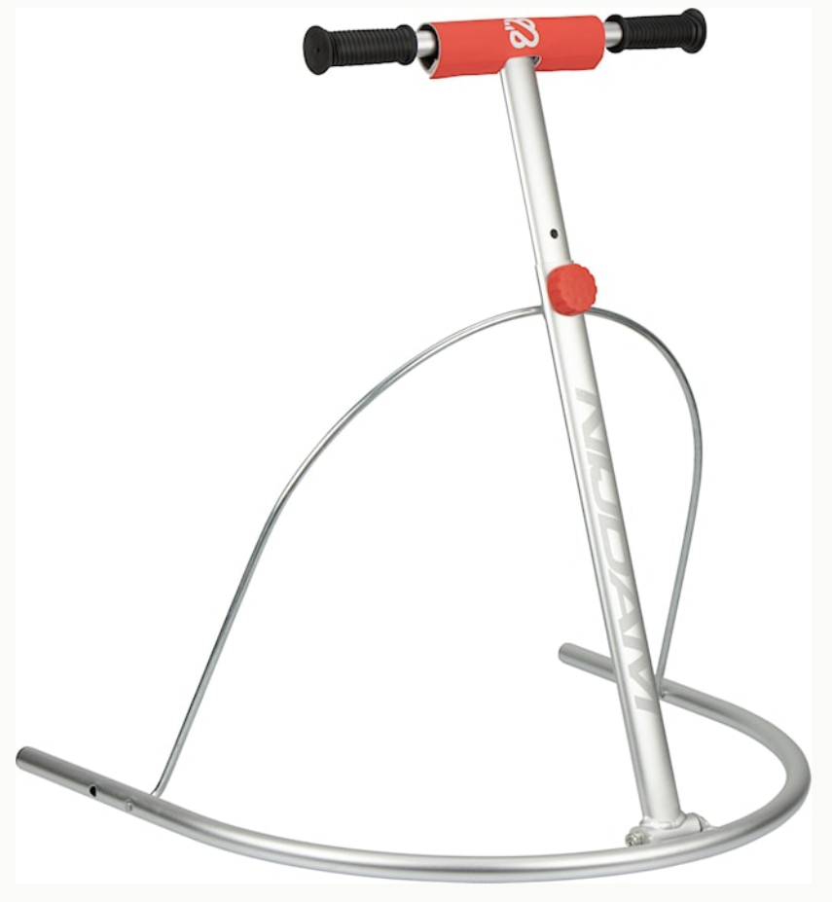
Hjälmar | 0 | 599 | 0

Startkit Barn (10st ingår i sponsor avtal för 799kr/st) | 0 | 799 | 0

Skridskor | 0 | 500 | 0

Hockeyklubbor Träklubba - CCM Ultimate Stick YT | 0 | 199 | 0

Målvaktsklubba (finns bara komposit) | 0 | 999 | 0

Suspensoar | 0 | 249 | 0

Halsskydd | 0 | 299 | 0

Marknadsföring | 0 | 15000 | 0

Julavslutning | 0 | 2000 | 0

Säsongsavslutning | 0 | 4000 | 0

Skridskotränare Justerbar & hopfällbar | 0 | 999 | 0

Skridskoskydd CCM Skateguard PSG.1 | 0 | 79 | 0

Damaskbyxor - CCM Gaiterpant - CHILD/YT | 0 | 299 | 0

Väskor - Intersport Team Hockeyväska - 120 L | 0 | 199 | 0

Ledarkläder 2 st ledare | 2 | 2000 | 4000

Utgifter Totalt: (kr) |  |  | 4000

Budget: (kr) |  |  | 40000

Differns: (kr) |  |  | 36000

